Sheet1
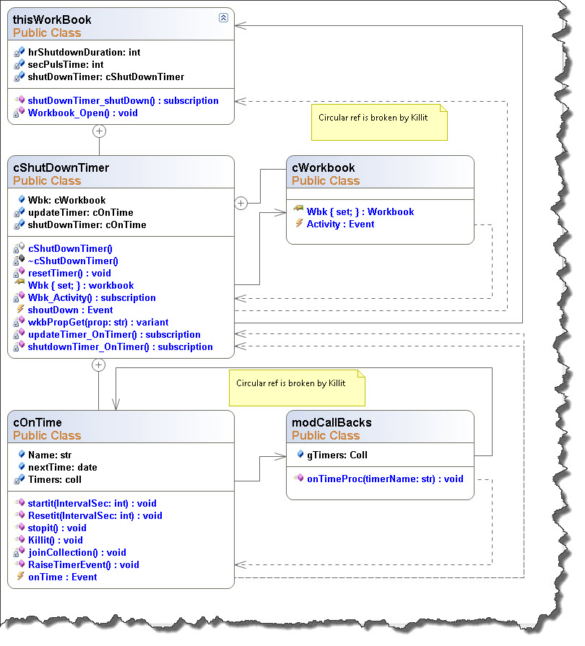
Roles
 | thisWorkBook
 |  | Initiates the shutdown timer process and closes the workbook if the process times out
 |  | exposes timing properties to provide PulseTime and shutDownDuration
 |  | Invokes a cShutDownTimer instance in the Workbook_Open event handler and subscribes to the shutDown Event of the cShutdownTimer object
 | cShutDownTimer
 |  | Supervises the shutdown timer process
 |  | Invokes oW

